Website
Bachat Mart Testing Website

Sr. no | Bug Description | Priority | Reported by | Assigned to | Status | Comments (If any)
1 | Decrease the size of the top navigation bar | P3 | Engr. M. Hamza Zubair
2 | The "Shop Now" button in slider images is not working. | P2 | Engr. M. Hamza Zubair
3 | After hovering over any product, a list of options opens at the left. In these icons, the alignment of the wishlist icon is not proper and is in the left. | P3 | Engr. M. Hamza Zubair
4 | The "Instagram Galllery" is not showing inside the bottom nav bar section. | P3 | Engr. M. Hamza Zubair
5 | The images and product info is not showing in "Compare products" section. | P2 | Engr. M. Hamza Zubair
6 | "Show" option is not working. | P2 | Engr. M. Hamza Zubair
7 | "Sort by price" is not working | P2 | Engr. M. Hamza Zubair
8 | Adjust the position of "Terms & Conditions" check box. | P3 | Engr. M. Hamza Zubair
9 | The "terms and conditions" agreement is not opening. | P2 | Engr. M. Hamza Zubair
10 | "Signup for Newsletter" is not working. | P2 | Engr. M. Hamza Zubair
11 | 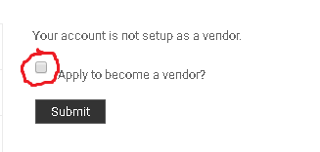 Adjust the position of the checkbox in "Vendors" section. | P3 | Engr. M. Hamza Zubair
12 | Adjust the position of the "View" button in "Order Details". | P3 | Engr. M. Hamza Zubair
13 | 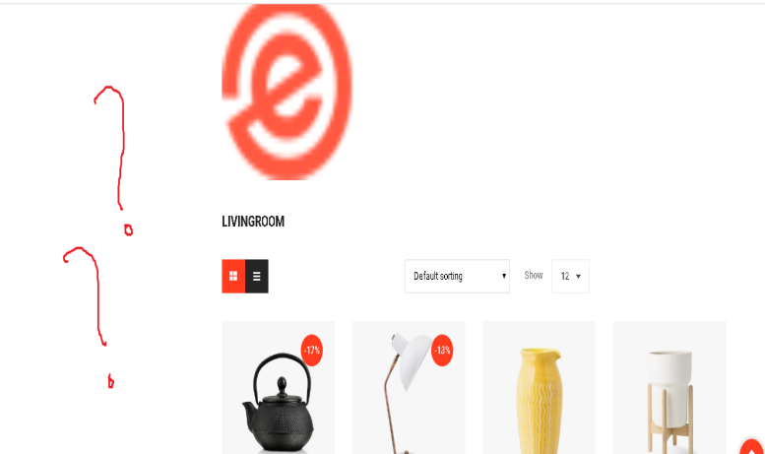  After selecting any category from "All Departments", a screen of the particular category will be opened. Scroll down to the bottom and select "Grid view" option and than scroll up. After doing this the layout will be disturbed and the side menu options like "Price", "Best sellers" etc position will be disturbed and will move down. | P3 | Engr. M. Hamza Zubair
14 | All sub categories of parent category "Electronic devices" are not showing on hovering over that category. Only sub category "Smart phones" is opening | P2 | Engr. M. Hamza Zubair
15 | All sub categories of parent category "Health & Beauty" are not showing on hovering over that category. Only sub category "Medicines and Equipments" is opening | P2 | Engr. M. Hamza Zubair
16 | All sub categories of parent category "Women's & Fashion" are not showing on hovering over that category | P2 | Engr. M. Hamza Zubair
17 | The sub categories of parent category "Men's Fashion" are not showing on hovering over that category. | P2 | Engr. M. Hamza Zubair
18
19
20
21
22
23
24
25
26
27
28
29
30
31
32
33
34
35
36
37

iOS app
Bachat Mart Testing (iOS app)

Sr. no | Bug Description | Screen shot | Priority | Reported by | Assigned to | Status | Comments (If any)
1 | Change the text message, "Already have an account?" to "Don't have an account?" | 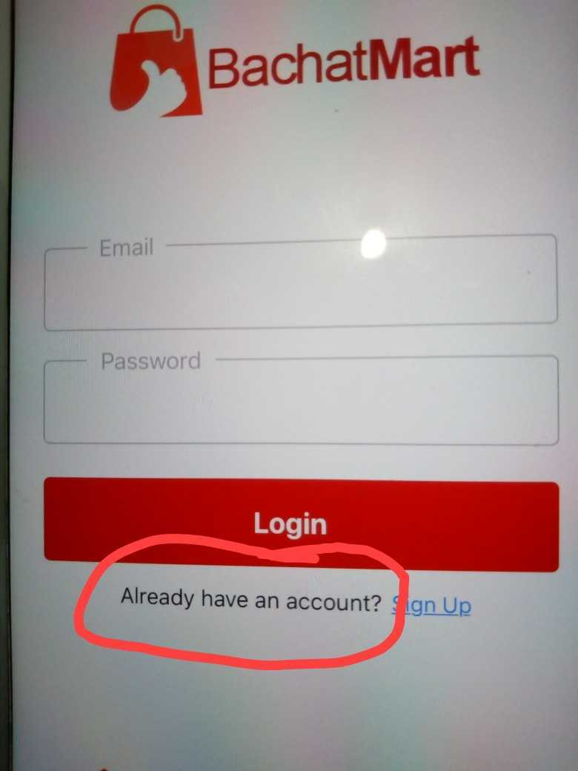 | P3 | Engr. Muhammad Hamza Zubair | Syed Rafay
2 | Change the login text box field name to "Email or User name" | 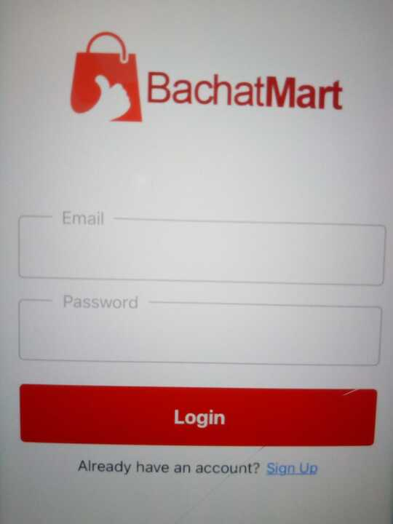 | P3 | Engr. Muhammad Hamza Zubair | Syed Rafay
3 | The slide bar in the "Categories" section is overlapping with the icons on Home page |  | P3 | Engr. Muhammad Hamza Zubair | Syed Rafay
4 | The add button on the items on the home page is not working |  | P1 | Engr. Muhammad Hamza Zubair | Syed Rafay
5 | Categories page is not opening on selecting any category icon from categories section on the home page . |  | P2 | Engr. Muhammad Hamza Zubair | Syed Rafay
6 | On the home screen, in "On sale" and "Featured" items section, the actual price of each item is crossed and the discounted price is its retail price but on opening any item, on the item's details page, the actual and retail prices are swapped. See the attached ss, the retail price should be Rs. 375 and the actual price i.e Rs. 425 should be crossed. | 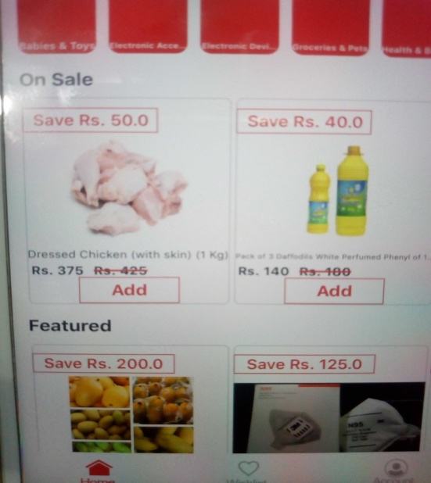  | P2 | Engr. Muhammad Hamza Zubair | Syed Rafay
7 | Add logout option |  |  | Engr. Muhammad Hamza Zubair | Syed Rafay
8 | Email is not receiving after placing order |  |  | Engr. Muhammad Hamza Zubair | Syed Rafay
9 |  |  |  | Engr. Muhammad Hamza Zubair | Syed Rafay
10 |  |  |  | Engr. Muhammad Hamza Zubair | Syed Rafay
11 |  |  |  | Engr. Muhammad Hamza Zubair | Syed Rafay
12 |  |  |  | Engr. Muhammad Hamza Zubair | Syed Rafay
13 |  |  |  | Engr. Muhammad Hamza Zubair | Syed Rafay
14 |  |  |  | Engr. Muhammad Hamza Zubair | Syed Rafay
15 |  |  |  | Engr. Muhammad Hamza Zubair | Syed Rafay
16 |  |  |  | Engr. Muhammad Hamza Zubair | Syed Rafay
17 |  |  |  | Engr. Muhammad Hamza Zubair | Syed Rafay
18 |  |  |  | Engr. Muhammad Hamza Zubair | Syed Rafay
19 |  |  |  | Engr. Muhammad Hamza Zubair | Syed Rafay
20 |  |  |  | Engr. Muhammad Hamza Zubair | Syed Rafay
21 |  |  |  | Engr. Muhammad Hamza Zubair | Syed Rafay
22 |  |  |  | Engr. Muhammad Hamza Zubair | Syed Rafay
23 |  |  |  | Engr. Muhammad Hamza Zubair | Syed Rafay
24 |  |  |  | Engr. Muhammad Hamza Zubair | Syed Rafay
25 |  |  |  | Engr. Muhammad Hamza Zubair | Syed Rafay
26 |  |  |  | Engr. Muhammad Hamza Zubair | Syed Rafay
27 |  |  |  | Engr. Muhammad Hamza Zubair | Syed Rafay
28 |  |  |  | Engr. Muhammad Hamza Zubair | Syed Rafay
29 |  |  |  | Engr. Muhammad Hamza Zubair | Syed Rafay
30 |  |  |  | Engr. Muhammad Hamza Zubair | Syed Rafay
31 |  |  |  | Engr. Muhammad Hamza Zubair | Syed Rafay
32 |  |  |  | Engr. Muhammad Hamza Zubair | Syed Rafay
33 |  |  |  | Engr. Muhammad Hamza Zubair | Syed Rafay
34 |  |  |  | Engr. Muhammad Hamza Zubair | Syed Rafay
35 |  |  |  | Engr. Muhammad Hamza Zubair | Syed Rafay
36 |  |  |  | Engr. Muhammad Hamza Zubair | Syed Rafay
37 |  |  |  | Engr. Muhammad Hamza Zubair | Syed Rafay
38 |  |  |  | Engr. Muhammad Hamza Zubair | Syed Rafay
39 |  |  |  | Engr. Muhammad Hamza Zubair | Syed Rafay
40 |  |  |  | Engr. Muhammad Hamza Zubair | Syed Rafay
41 |  |  |  | Engr. Muhammad Hamza Zubair | Syed Rafay
42 |  |  |  | Engr. Muhammad Hamza Zubair | Syed Rafay
43 |  |  |  | Engr. Muhammad Hamza Zubair | Syed Rafay
44 |  |  |  | Engr. Muhammad Hamza Zubair | Syed Rafay
45 |  |  |  | Engr. Muhammad Hamza Zubair | Syed Rafay
46 |  |  |  | Engr. Muhammad Hamza Zubair | Syed Rafay
47 |  |  |  | Engr. Muhammad Hamza Zubair | Syed Rafay
48 |  |  |  | Engr. Muhammad Hamza Zubair | Syed Rafay
49 |  |  |  | Engr. Muhammad Hamza Zubair | Syed Rafay
50 |  |  |  | Engr. Muhammad Hamza Zubair | Syed Rafay
51 |  |  |  | Engr. Muhammad Hamza Zubair | Syed Rafay
52 |  |  |  | Engr. Muhammad Hamza Zubair | Syed Rafay
53 |  |  |  | Engr. Muhammad Hamza Zubair | Syed Rafay
54 |  |  |  | Engr. Muhammad Hamza Zubair | Syed Rafay
55 |  |  |  | Engr. Muhammad Hamza Zubair | Syed Rafay
56 |  |  |  | Engr. Muhammad Hamza Zubair | Syed Rafay
57 |  |  |  | Engr. Muhammad Hamza Zubair | Syed Rafay
58 |  |  |  | Engr. Muhammad Hamza Zubair | Syed Rafay
59 |  |  |  | Engr. Muhammad Hamza Zubair | Syed Rafay
60 |  |  |  | Engr. Muhammad Hamza Zubair | Syed Rafay
61 |  |  |  | Engr. Muhammad Hamza Zubair | Syed Rafay

